Vehicles
 | INDEPENDENT CORRUPT PRACTICES AND OTHER RELATED OFFENCES COMMISSION
MOTOR VEHICLES
S/N | DESCRIPTION | LOCATION | PHOTOGRAPH | TAG NO. | AUCTIONEER'S NAME AND CONTACT | DATE OF AUCTION
1 | Toyota Corolla Saloon Car (Metallic) RSH 932 PU | ICPC HQ, Plot 802, Constitution Avenue, Central Business District, Abuja | 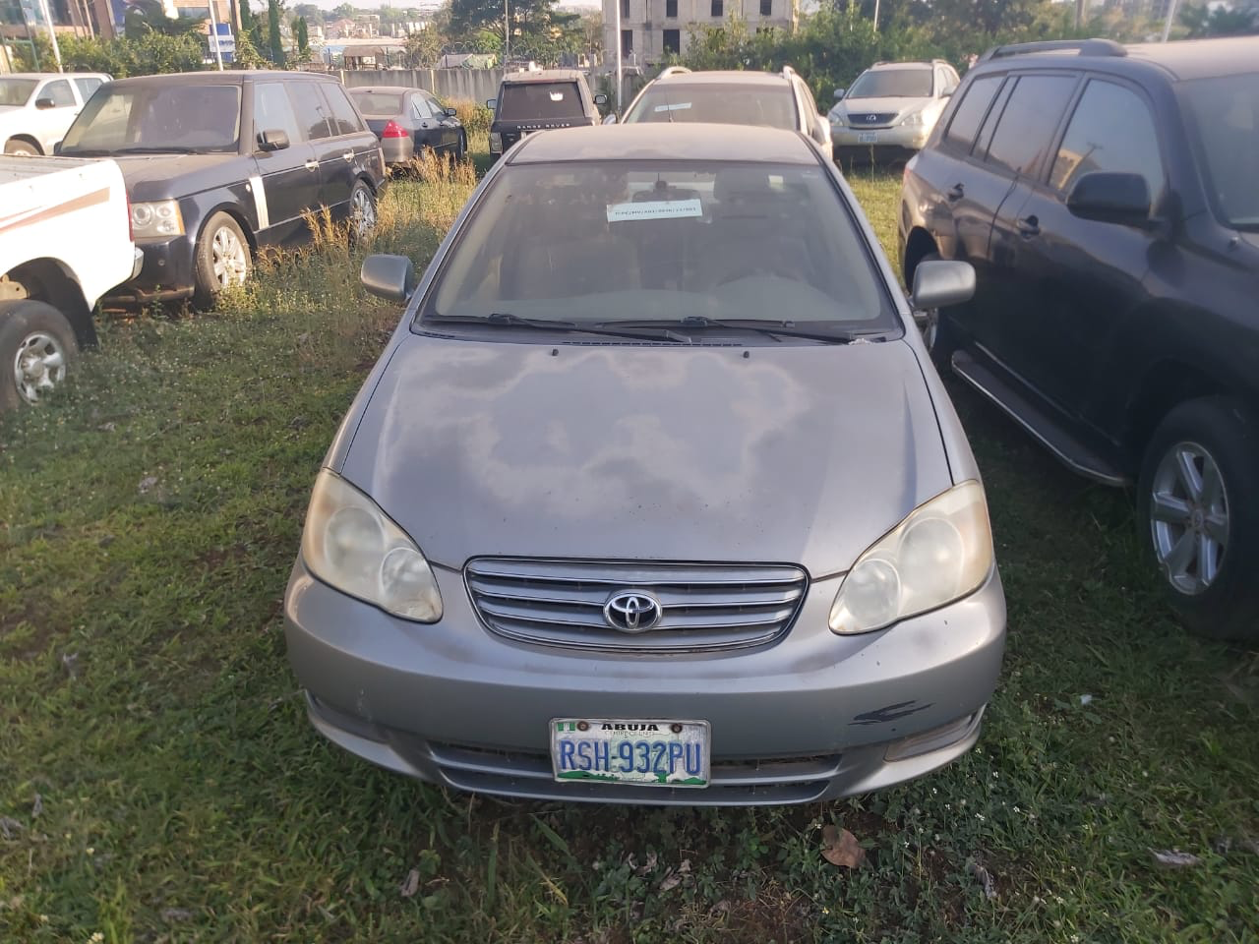 | ICPC/MV/ABJ/2022/001 | Samunira Ventures Ltd. (08034106546) | Wednesday 30th November, 2022
2 | Toyota Camry KWL 169 AH | ICPC HQ, Plot 802, Constitution Avenue, Cental Business District, Abuja | 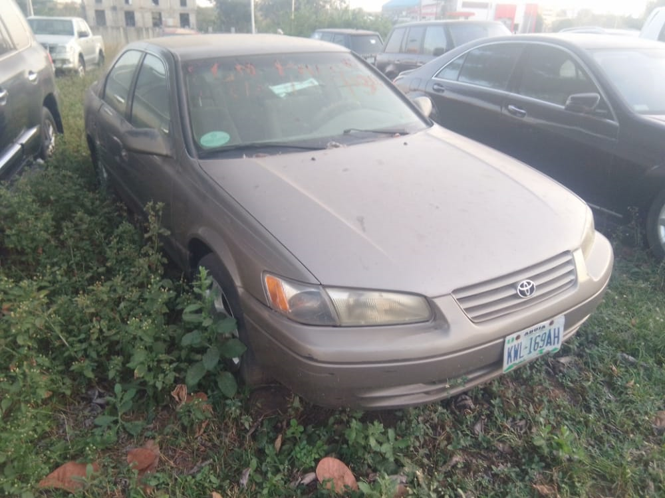 | ICPC/MV/ABJ/2022/002 | Samunira Ventures Ltd. (08034106546) | Wednesday 30th November, 2022
3 | Lexus IS2550 Saloon Car (Black) | ICPC HQ, Plot 802, Constitution Avenue, Cental Business District, Abuja | 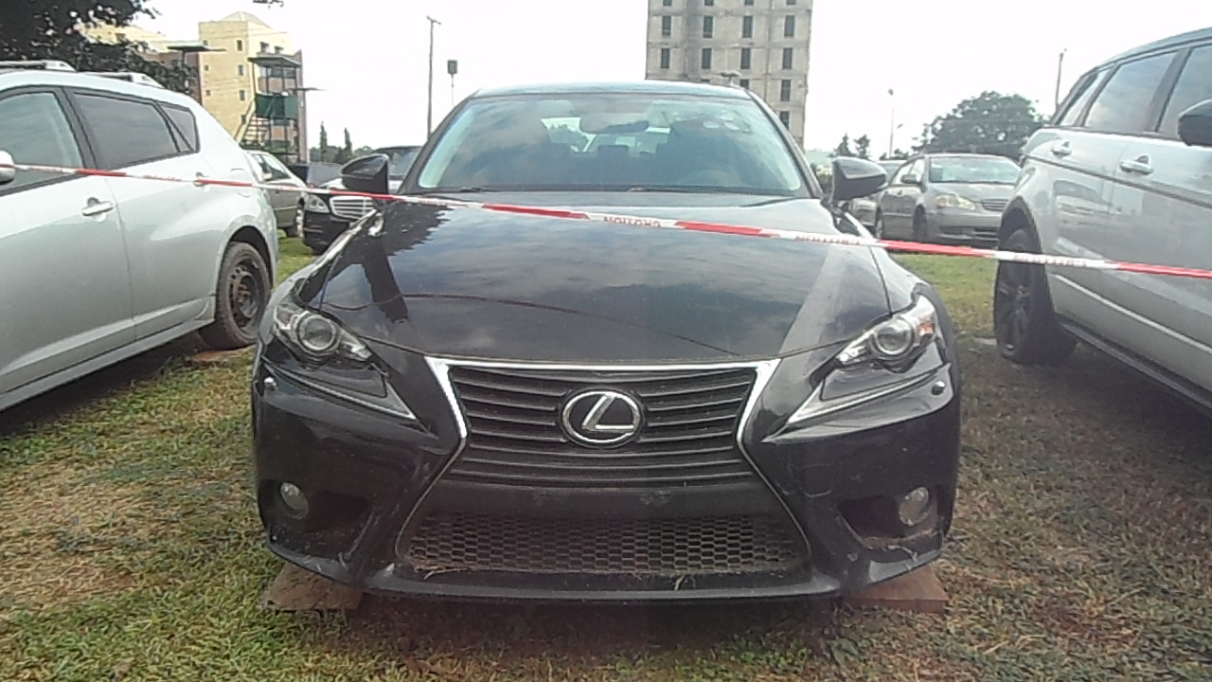 | ICPC/MV/ABJ/2022/003 | Samunira Ventures Ltd. (08034106546) | Wednesday 30th November, 2022
4 | Pontic Vibe (Grey) 2009 Model (Un-registered) | ICPC HQ, Plot 802, Constitution Avenue, Cental Business District, Abuja | 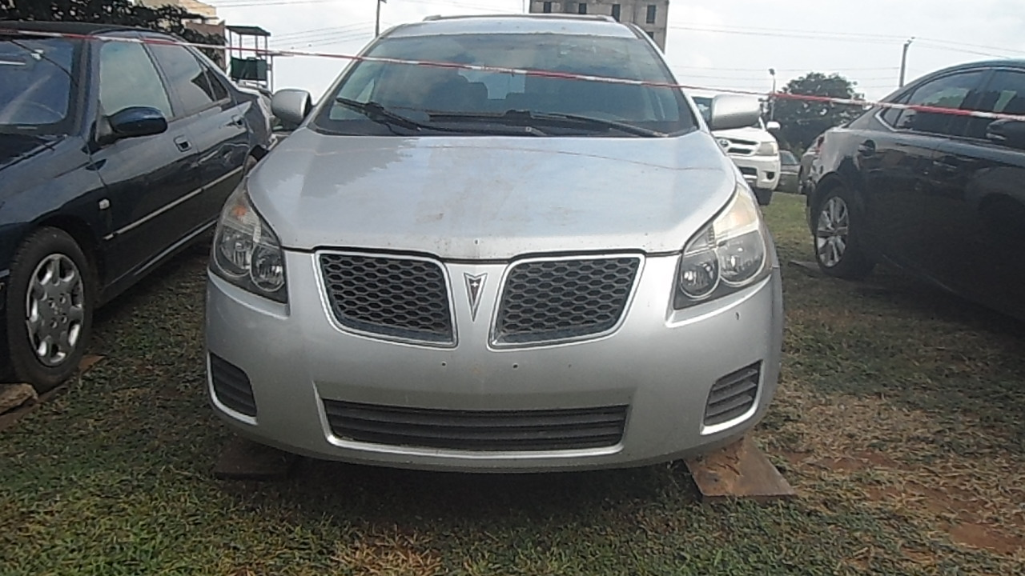 | ICPC/MV/ABJ/2022/004 | Samunira Ventures Ltd. (08034106546) | Wednesday 30th November, 2022
5 | Peugeot 406 Saloon Car (Green) | ICPC HQ, Plot 802, Constitution Avenue, Cental Business District, Abuja | 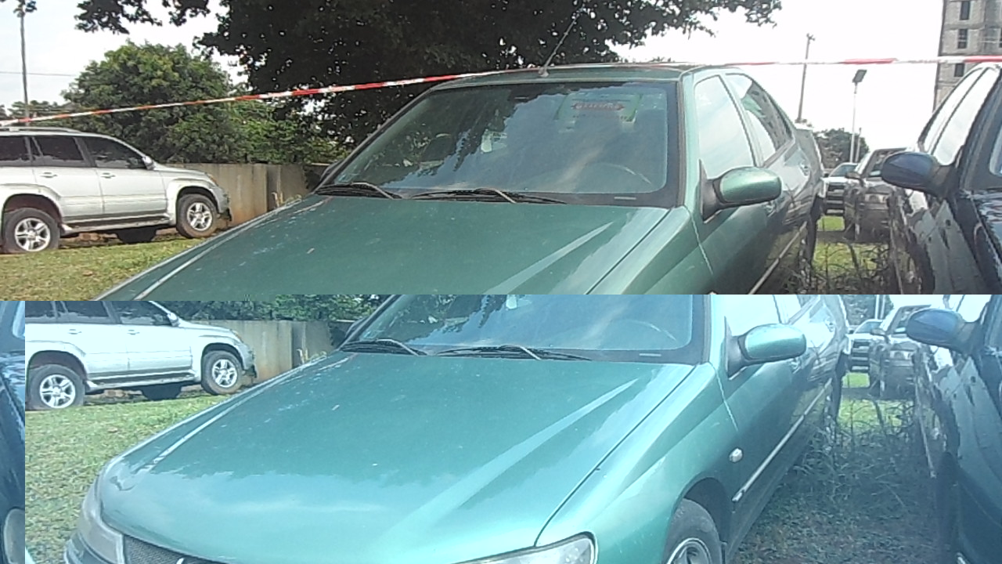 | ICPC/MV/ABJ/2022/005 | Samunira Ventures Ltd. (08034106546) | Wednesday 30th November, 2022
6 | Peugeot 406 Saloon Car (Blue) | ICPC HQ, Plot 802, Constitution Avenue, Cental Business District, Abuja | 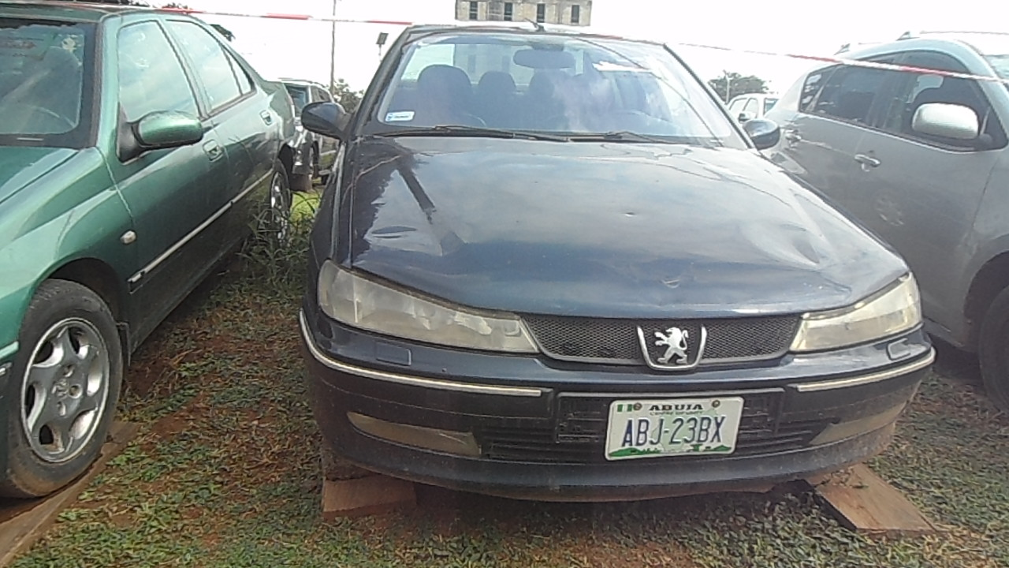 | ICPC/MV/ABJ/2022/006 | Samunira Ventures Ltd. (08034106546) | Wednesday 30th November, 2022
7 | Range Rover Evoque, SUV (White) | ICPC HQ, Plot 802, Constitution Avenue, Cental Business District, Abuja | 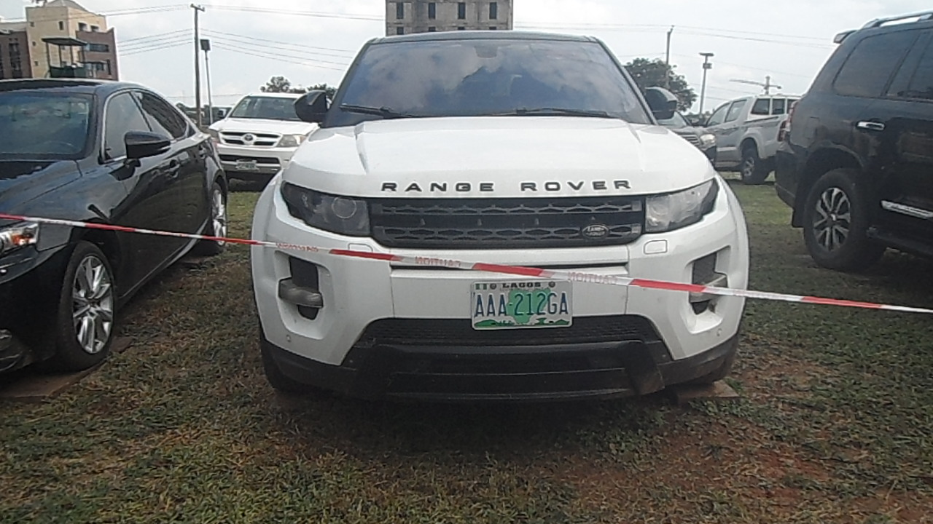 | ICPC/MV/ABJ/2022/007 | Samunira Ventures Ltd. (08034106546) | Wednesday 30th November, 2022
6 | Lexus ES350 Saloon Car | ICPC HQ, Plot 802, Constitution Avenue, Cental Business District, Abuja | 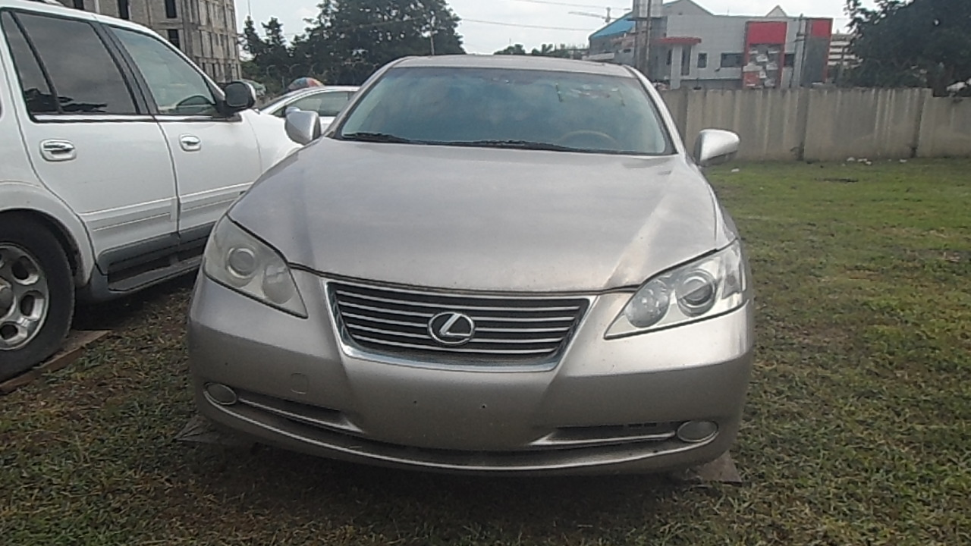 | ICPC/MV/ABJ/2022/008 | Samunira Ventures Ltd. (08034106546) | Wednesday 30th November, 2022
7 | Mercedes Benz E320 Saloon Car (Black) | 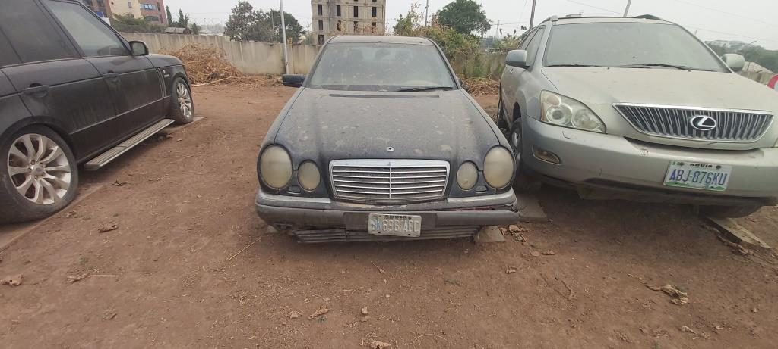 ICPC HQ, Plot 802, Constitution Avenue, Cental Business District, Abuja |  | ICPC/MV/ABJ/2022/009 | Samunira Ventures Ltd. (08034106546) | Wednesday 30th November, 2022
8 | Lexus RX350 SUV, (Light Brown) | ICPC HQ, Plot 802, Constitution Avenue, Cental Business District, Abuja | 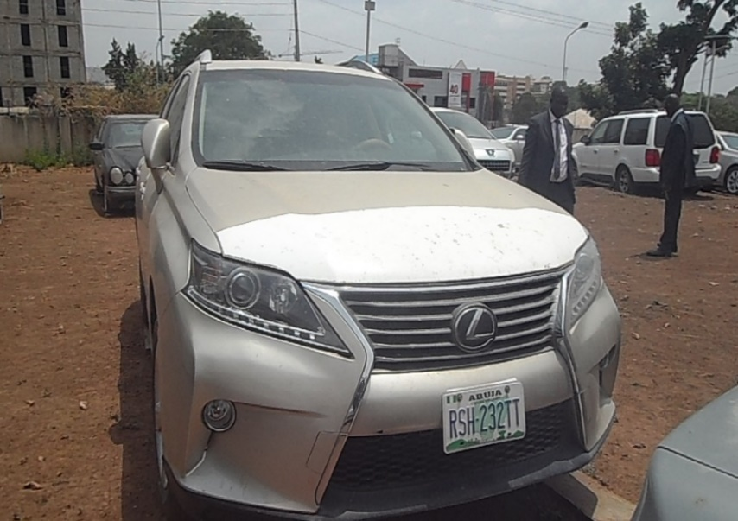 | ICPC/MV/ABJ/2022/010 | Samunira Ventures Ltd. (08034106546) | Wednesday 30th November, 2022
9 | Toyota Venza Crossover (Metallic) | ICPCHQ, Plot 802, Constitution Avenue, Cental Business District, Abuja | 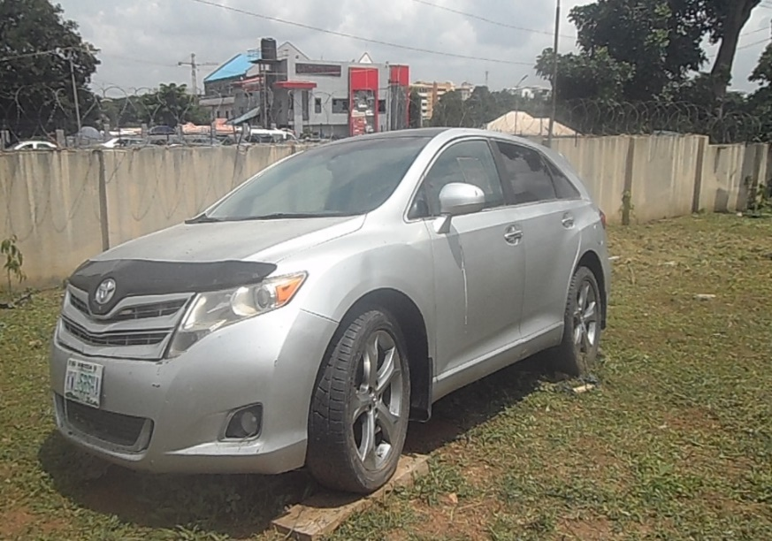 | ICPC/MV/ABJ/2022/011 | Samunira Ventures Ltd. (08034106546) | Wednesday 30th November, 2022
12 | Lexus GX 470 SUV, Gold | ICPC Rivers State Office No.5 Olumeni Street, Off Forces Avenue, Old GRA. Port Harcourt, Rivers State | 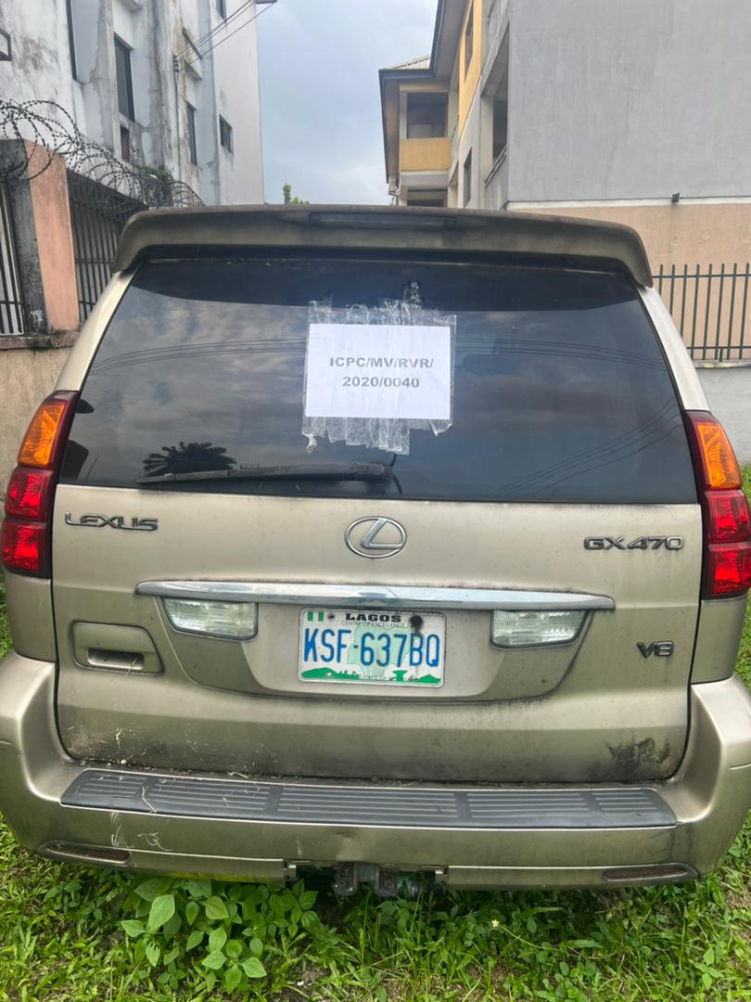 | ICPC/MV/RVR/2022/012 | Samunira Ventures Ltd. (08034106546) | Wednesday 30th November, 2022

