Sheet1
INDEPENDENT CORRUPT PRACTICES AND OTHER RELATED OFFENCES
LANDS AND BUILDING
S/N | DESCRIPTION OF ASSET | LOCATION | NATURE OF ASSET | PHOTOGRAPH | TAG NO. | AUCTIONEER'S NAME AND CONTACT | DATE OF AUCTION
1 | Sapati International School - A standardly built international school with modern facilities including Laboratories, Dining Hall, Sporting and Recreatyion Centers | Off Ajase-Ipo Road, Ilorin, Kwara State | School | 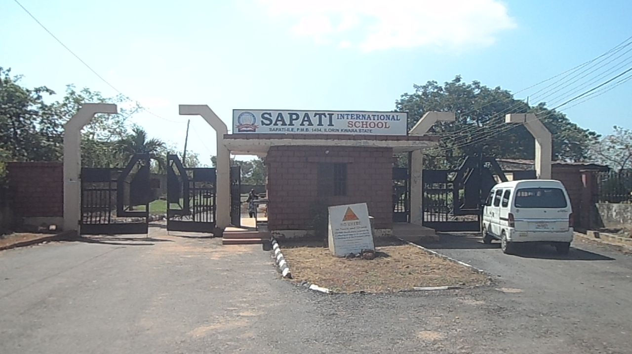 | ICPC/L&B/KWR/2022/001 | 1). Lansar Aghaji & Co. (08037082245) 2). Felex ID Integrated Services Ltd. (08033127978) 3). Rihago Auction Ltd. (08171110000) 4). Two -4- Seven Modernise Ltd. (08033136289) 5). Milton-Jude and Co. Ltd. (08084984516) 6). Milton-Jude and Co. Ltd. (08084984516) | Tuesday 29th November, 2022
2 | 5-Bedroom Detached Bungalow (Fully fenced, Gate House, Generator and Entrance Gate) | Sapati Community Off Ajase-Ipo Road, Ilorin, Kwara State | Residential | 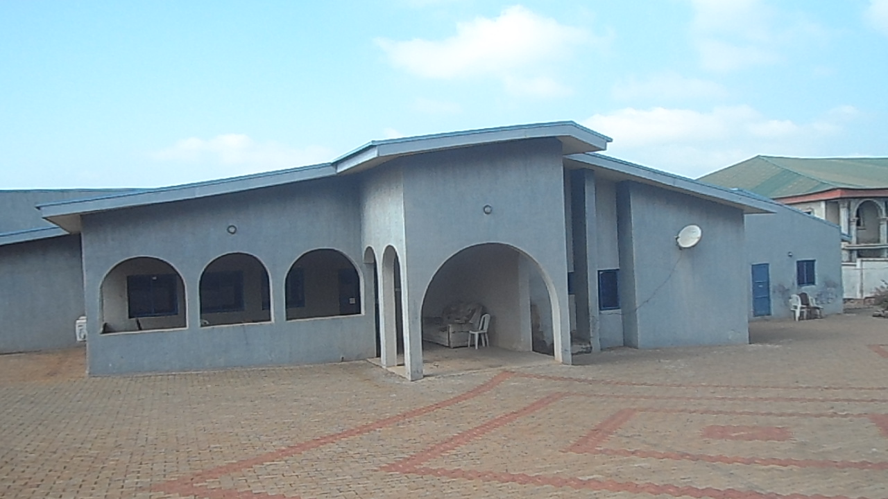 | ICPC/L&B/KWR/2022/002 | Kaymus Consult Ltd. (08138123927) | Wednesday 30th November, 2022
3 | 3-Bedroom Detached Bungalow. All rooms ensuite. | Sapati Community Off Ajase-Ipo Road, Ilorin, Kwara State | Residential | 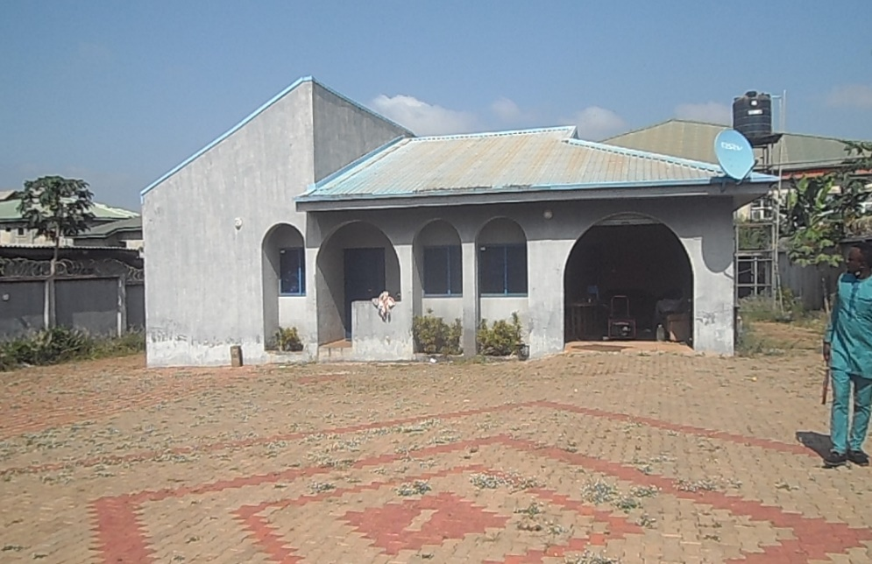 | ICPC/L&B/KWR/2022/003 | Kaymus Consult Ltd. (08138123927) | Wednesday 30th November, 2022
4 | Dane Millionaire Wonder World Amusement Park/Resort and Dame Millionaire (School) Academy | Oron Road, Uyo, AkwaIbom State | 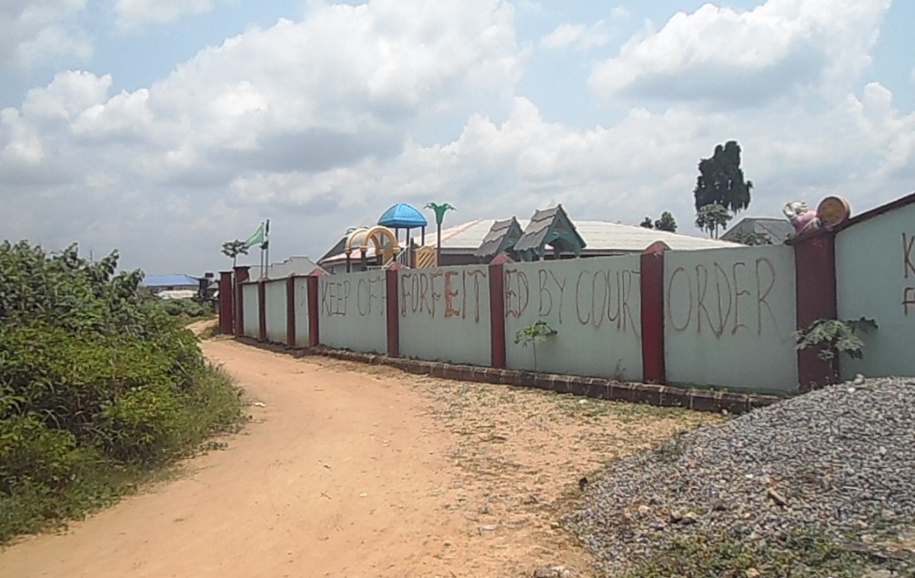 Recreational Centre and School |  | ICPC/L&B/AKS/2022/004 | Kaymus Consult Ltd. (08138123927) | Wednesday 30th November, 2022
5 | Jerijo Shopping Mall (A fully developed Shopping Mall built on a 789.66m Sq, fenced, gated and paved. Other facilities include Fruit shed, Eatery etc). | No. 6 Muham Street, Off Abacha Road, Karu LGA, Nasarawa State | Business | 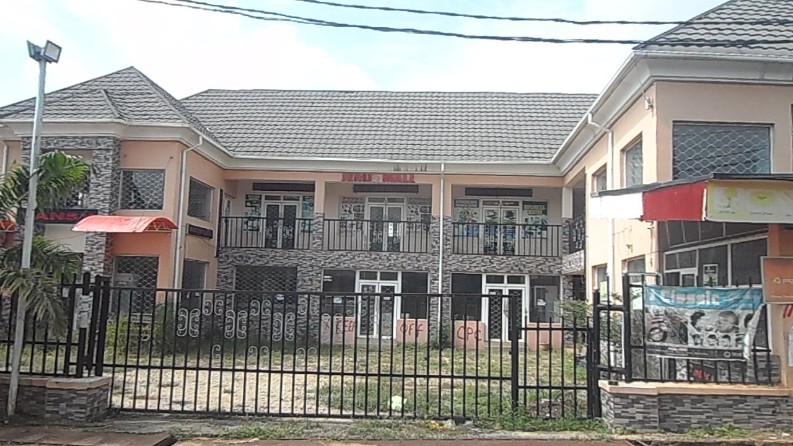 | ICPC/L&B/NAS/2022/005 | 1). Lansar Aghaji & Co. (08037082245) 2). Fagobe Company Ltd. (08055232124) | Tuesday 29th November, 2022
6 | Jerijo Recreational/Event Centre comprising Club Lounge and Bar, DJ platform, Dressing room, Suya/Barbecue Block, Gate House, Mini Tennis Field, Garden and Children Playing Ground | No. 6 Muham Street, Off Abacha Road, Karu LGA, Nasarawa State | Business | 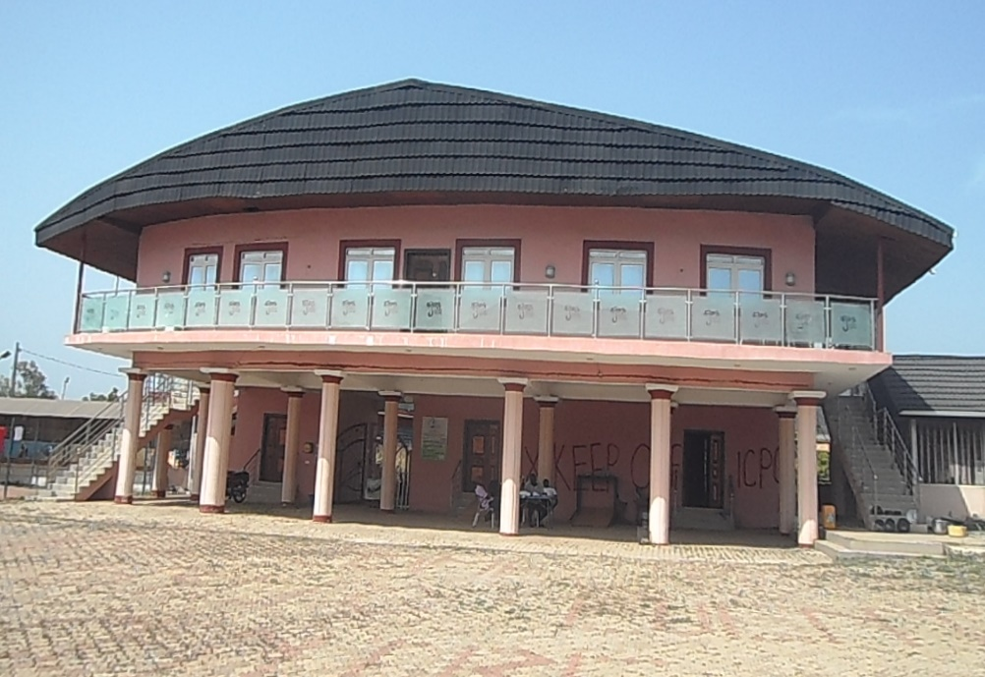 | ICPC/L&B/NAS/2022/006 | 1). Lansar Aghaji & Co. (08037082245) 2). Fagobe Company Ltd. (08055232124) | Tuesday 29th November, 2022
7 | A neatly built 4 Bedroom Duplex with Gate House on total land area of about 540.96msq. All rooms ensuite. | Jenew Homes, Plot No. 3 Cadastral Zone D02, Karsana South District. Abuja | Residential | 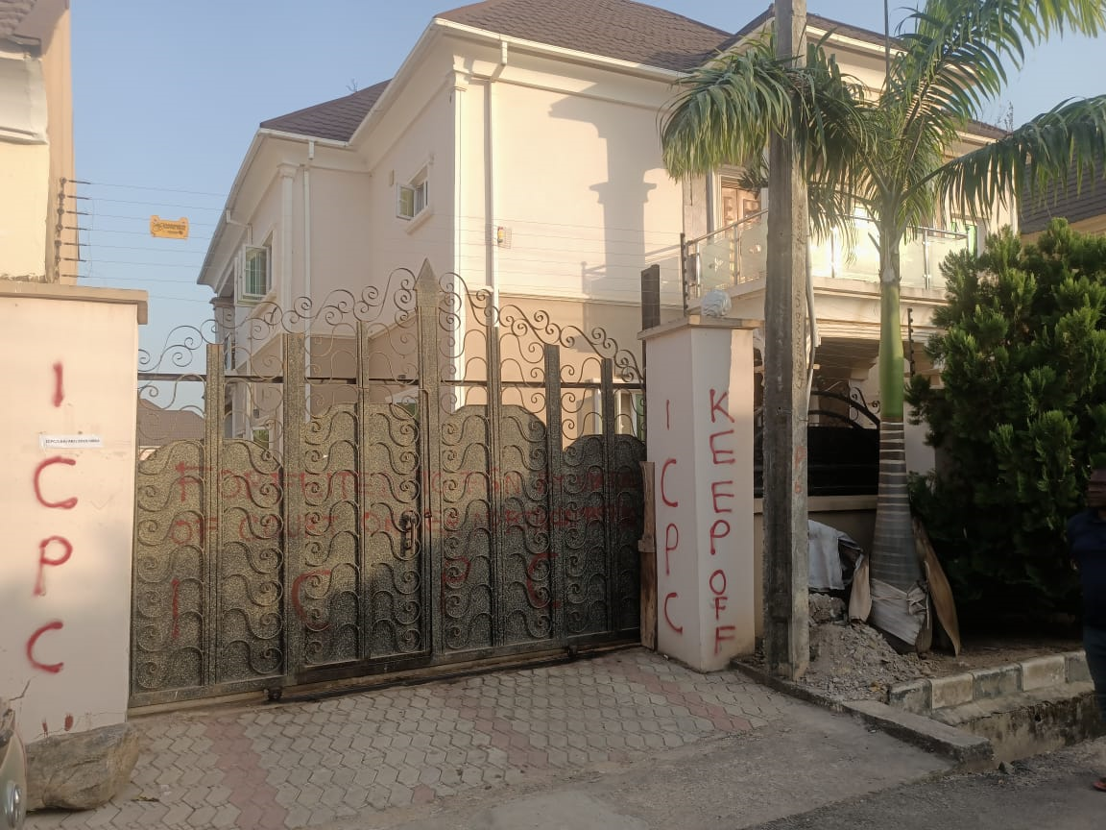 | ICPC/L&B/ABJ/2022/007 | Two-4-Seven Modernise Ltd. (08033136289) | Friday 2nd December, 2022
8 | A purpose built 3-Bedroom Bungalow and a fish poultry pen at the Rear-end. Fenced with Entrance Gate. | 0ff Owo-Oba/Akede Iyaloja Road, Oshogbo, Osun State | Residential | 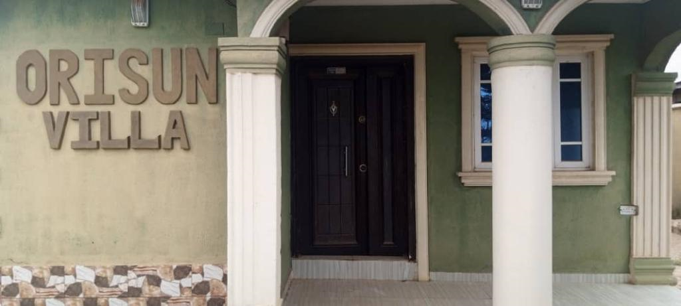 | ICPC/L&B/OSU/2022/008 | Samunira Ventures Ltd. (08034106546) | Wednesday 30th November, 2022
9 | 2 Units of Uncompleted 4-bedroom Detached Bungalow | Federal Ministry of Works and House Estate, Gonin-Gora Chikun. LGA. Kaduna | Residential | 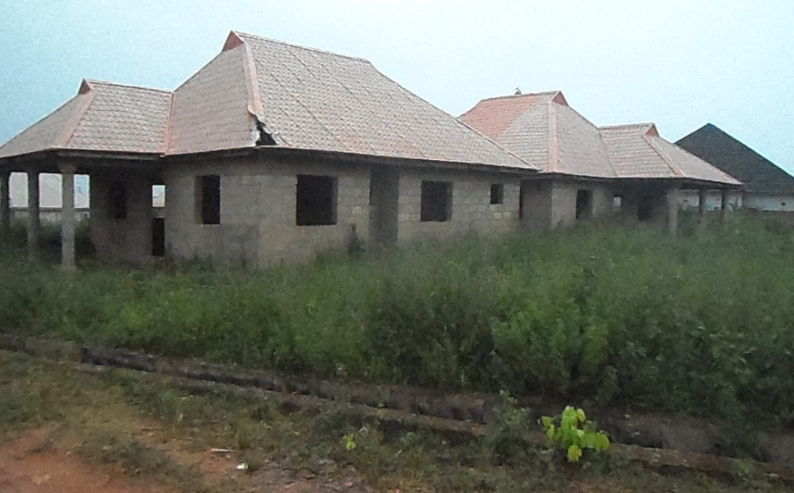 | ICPC/L&B/KAD/2022/009 | Samunira Ventures Ltd. (08034106546) | Thursday 1st December, 2022
10 | 5 Bedroom Uncompleted Detached House | Off Brook Street, Uyo. Akwa-Ibom State. | 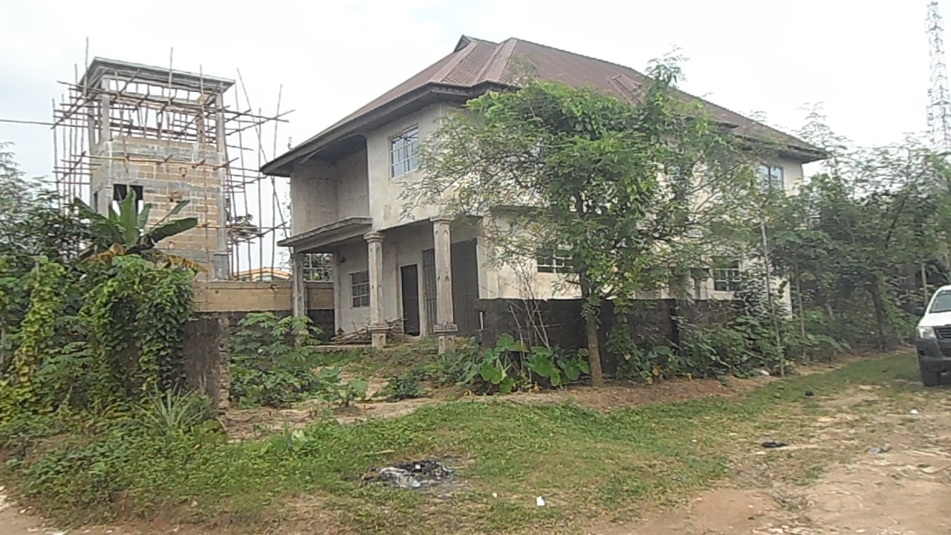 Residential (Uncompleted) |  | ICPC/L&B/AKS/2022/010 | Samunira Ventures Ltd. (08034106546) | Wednesday 30th November, 2022
11 | A fence undeveloped plot of Land. Fenced with an Entrance Gate | Sapati Off Ajase-Ipo Road, Ilorin, Kwara State | Undeveloped Plot | 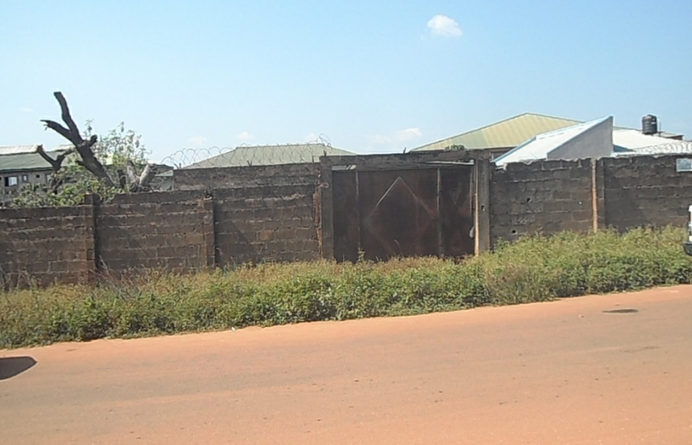 | ICPC/L&B/KWR/2022/012 | Samunira Ventures Ltd. (08034106546) | Wednesday 30th November, 2022
12 | Plot of Land | Kagurdna Layout, Kakau District, along Gonin-Gora-Abuja Expressway, Chikun. LGA. Kaduna State | Undeveloped Plot |  | ICPC/L&B/KAD/2022/013 | Kaymus Consult Ltd. (08138123927) | Wednesday 30th November, 2022
13 | An undeveloped plot of Land in a developed Area right on an Express road. | NTA Road, Ohia Ngbakiri Ozuoba, Port Harcourt, River State | Undeveloped Plot | 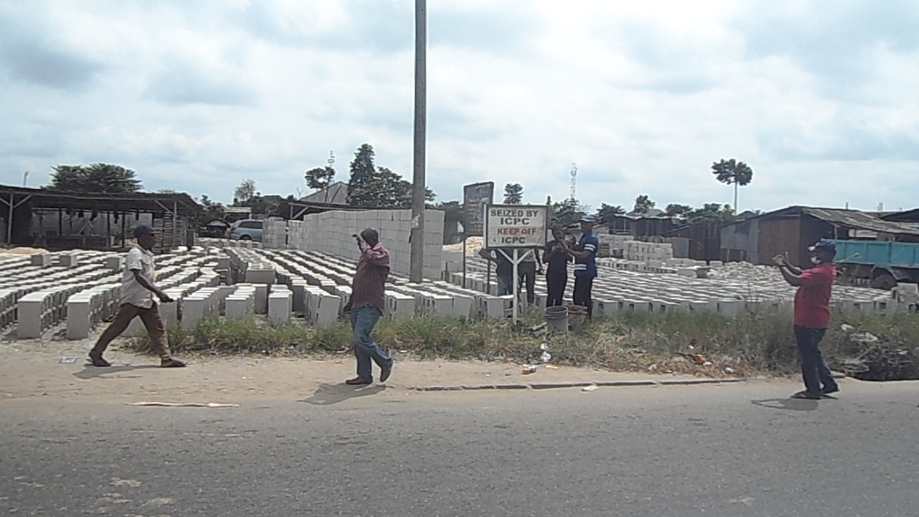 | ICPC/L&B/RVR/2022/014 | Felex ID Integrated Services Ltd (08033127978) | Wednesday 30th November, 2022
14 | An undeveloped plot of Land in a developed Area right on an Express road. Suitable for Commercial building. | Rumuekini New Layout, Obio Akpor LGA. River State | Undeveloped Plot | 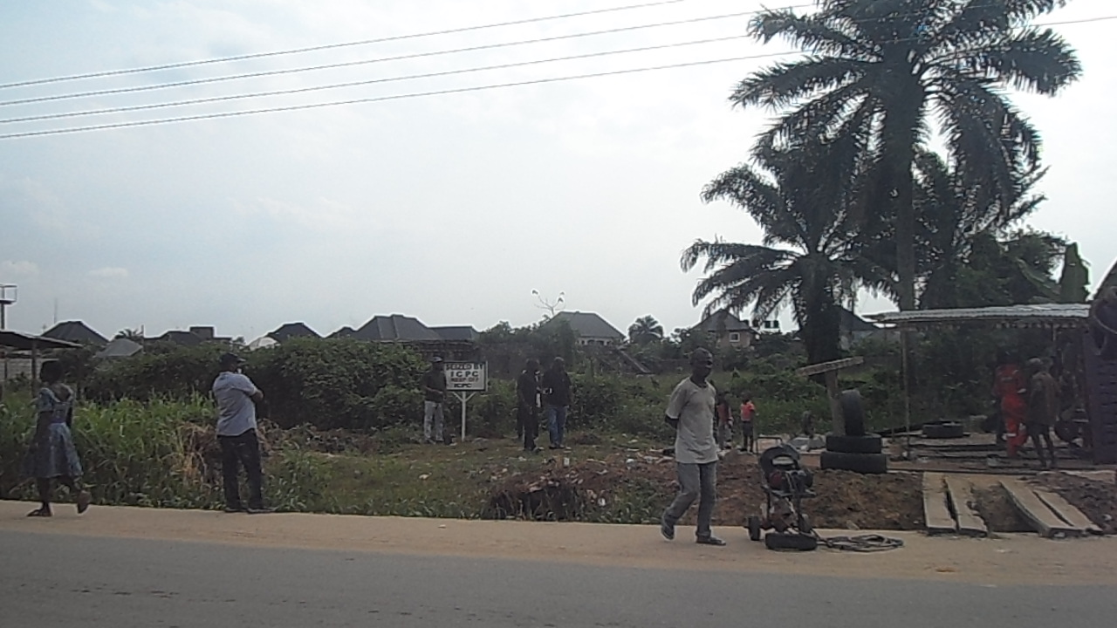 | ICPC/L&B/RVR/2022/016 | Felex ID Integrated Services Ltd (08033127978) | Wednesday 30th November, 2022
15 | An undeveloped plot of Land in a yet to be developed area. | Livingstone Estate, Umuogbodo Road, Igbo Etche, Obio Akpor LGA. River State | Undeveloped Plot | 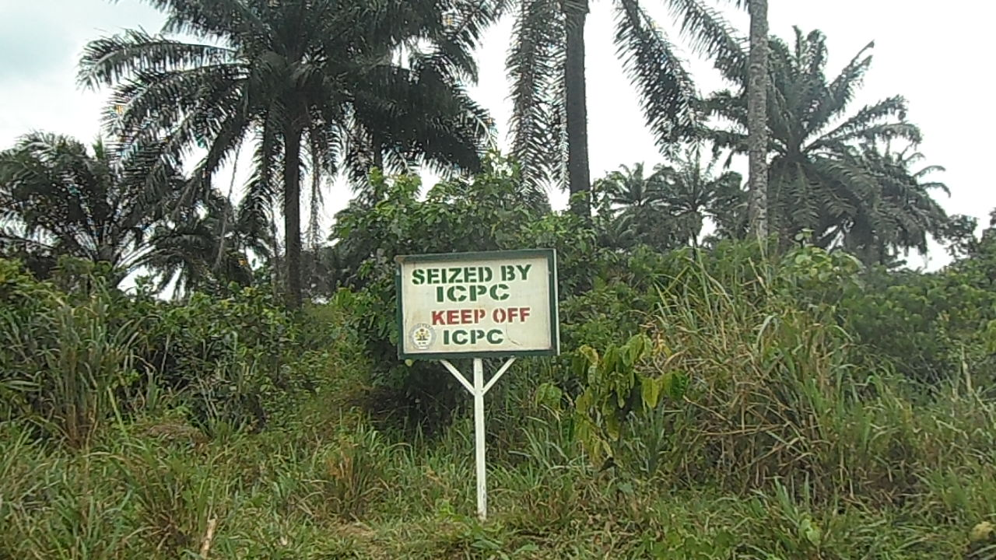 | ICPC/L&B/RVR/2022/017 | Felex ID Integrated Services Ltd (08033127978) | Wednesday 30th November, 2022 | `

Sheet2
